Bom (Raw)
Item | Part Number | REV | Stock Number | Thumbnail | BOM Structure | Description | Material | Title | QTY | Total QTY | t | L | Keywords
0 | 4003 | 4003-05.1-A01-- - BOM.xlsx |  | 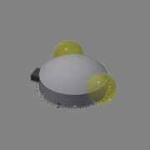 | Inseparable | Arrangement Drawing |  | Area 05 | 1 | 1 | 1 | 1 | Project
1.1 | 4003-619-A01 | - |  | 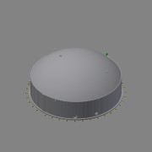 | Inseparable | Storage Tank 1 - Equipment Assembly |  | Area 05 | 1 | 1 |  |  | Equipment
2.3 | 0000-715-072 |  |  | 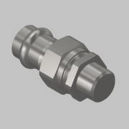 | Purchased | Sanpress Union Connection - Ø18-DN15 - G½ ET - 438 272 | SS 1.4401 - AISI 316 |  | 2 | 2 |  |  | INOX-Press Fittings - Sanpress
3 | 4003-05.1-AA001-01 | - |  | 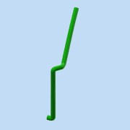 | Normal | Air Inlet |  | Area 05 | 1 | 1 |  |  | Project/Piping
3.1 | 4003-05.1-AA001-01-01 | - |  | 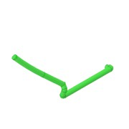 | Normal | Pipe - DN360-Ø400,0xSN4-L=11009 | PE100 |  | 1 | 1 | 0,0 | 11277 | Project Piping
4 | 4003-05.1-AA002-01 | - |  | 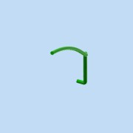 | Normal | Air Outlet |  | Area 05 | 1 | 1 |  |  | Project/Piping
4.1 | 4003-05.1-AA002-01-01 | - |  | 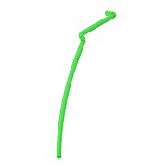 | Normal | Pipe - DN360-Ø400,0xSN4-L=15055 | PE100 |  | 1 | 1 | 0,0 | 15007 | Project Piping
6 | 4003-05-PS07 | - |  | 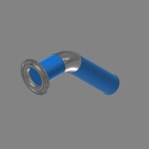 | Normal | Piping DN125 - Biomass Outlet |  |  | 1 | 1
6.1 | 0000-703-001 | - | RO-139-026 |  | Normal | Pipe - DN125-Ø139,7x2,6 L=677 - EN10217-7 | SS 1.4301 - AISI 304 |  | 1 | 1 | 2,6 | 677 | Project Specific Parts
6.2 | 0000-703-030 |  | 45-139-020 | 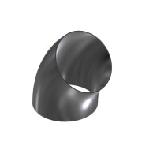 | Purchased | Elbow 45° - DN125 Ø139,7x2 - Type3-R190,5 - DIN2605 | SS 1.4571 - AISI 316Ti |  | 1 | 1 |  |  | Standard Fittings
6.3 | 0000-703-020 |  |  | 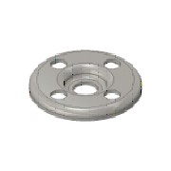 | Purchased | Pressed Flange - DN125-PN10/16 - EN 1092-1 Typ 02 | SS 1.4301 - AISI 304 |  | 1 | 1 |  |  | Standard Fittings
6.4 | 0000-703-010 |  | BÖ-139-020 | 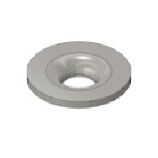 | Purchased | Collar - DN125/PN10-EN1092-1 Typ37 | SS 1.4571 - AISI 316Ti |  | 1 | 1 |  |  | Standard Fittings
7 | 4003-05-PS08 | - |  | 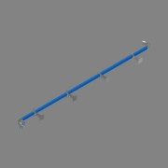 | Normal | Piping DN100 - Biomass Inlet |  |  | 2 | 2
7.1 | 0000-703-010 |  | BÖ-114-026 |  | Purchased | Collar - DN100/PN10-EN1092-1 Typ37 | SS 1.4301 - AISI 304 |  | 1 | 2 |  |  | Standard Fittings
7.2 | 0000-703-020 |  |  |  | Purchased | Pressed Flange - DN100-PN10/16 - EN 1092-1 Typ 02 | SS 1.4301 - AISI 304 |  | 1 | 2 |  |  | Standard Fittings
7.3 | 0000-703-030 |  | BO-114-026 | 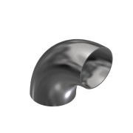 | Purchased | Elbow 90° - DN100 Ø114,3x2,6 - Type3-R152 - DIN2605 | SS 1.4301 - AISI 304 |  | 2 | 4 |  |  | Standard Fittings
7.4 | 0000-703-030 |  | 45-114-026 | 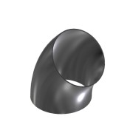 | Purchased | Elbow 45° - DN100 Ø114,3x2,6 - Type3-R152 - DIN2605 | SS 1.4301 - AISI 304 |  | 1 | 2 |  |  | Standard Fittings
7.5 | 0000-703-001 | - |  |  | Normal | Pipe - DN100-Ø114,3x2,6 L=4896 - EN10217-7 | SS 1.4301 - AISI 304 |  | 1 | 2 | 2,6 | 4868
7.6 | 0000-342-021 | - |  | 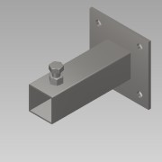 | Normal | Pipe holder foot L=200 | SS 1.4301 - AISI 304 |  | 4 | 8 | 1,0 | 1 | Basic Component
7.7 | 0000-342-027 | - |  | 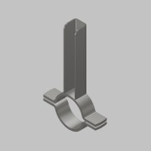 | Normal | Pipe Holder DN100-Ø114,3x321 | SS 1.4301 - AISI 304 |  | 4 | 8 | 1,0 | 1 | Basic Component
8 | 4003-05.1-BM005-01 | - |  | 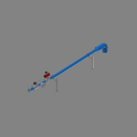 | Normal | Piping DN100 - Biomass Inlet - Link Seal Pipe |  | Area 05 | 1 | 1 |  |  | Project Piping
8.1 | 0000-703-020 |  |  |  | Purchased | Pressed Flange - DN100-PN10/16 - EN 1092-1 Typ 02 | SS 1.4301 - AISI 304 |  | 7 | 7 |  |  | Standard Fittings
8.2 | 0000-703-010 |  | BÖ-114-026 |  | Purchased | Collar - DN100/PN10-EN1092-1 Typ37 | SS 1.4301 - AISI 304 |  | 7 | 7 |  |  | Standard Fittings
8.3 | 0000-703-022 |  | BF-100-000 | 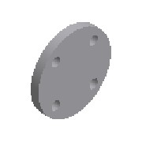 | Purchased | Blind Flange - DN100 - PN10/16 - EN 1092-1 Typ 05 | SS 1.4571 - AISI 316Ti |  | 1 | 1 |  |  | Standard Fittings
8.4 | 0000-703-060 |  | AN-112-150 | 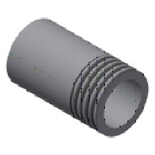 | Purchased | Welding Nipple - 1 ½'' DN40xL150 - EN10241 | SS 1.4571 - AISI 316Ti |  | 1 | 1 |  |  | Standard Fittings
8.5 | 0000-703-030 |  | BO-114-026 |  | Purchased | Elbow 90° - DN100 Ø114,3x2,6 - Type3-R152 - DIN2605 | SS 1.4301 - AISI 304 |  | 1 | 1 |  |  | Standard Fittings
8.10 | 0000-703-040 |  | TR-114-026 | 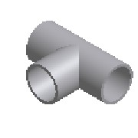 | Purchased | Tee Equal - DN100 - Ø114,3x2,6 - EN10253-4 | SS 1.4301 - AISI 304 |  | 1 | 1 |  |  | Standard Fittings
8.11 | 0000-754-010 |  |  | 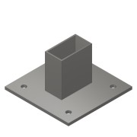 | Purchased | Cantilever Arm - MT-BR-40 OC - 300mm | Steel, Galv. |  | 2 | 2 |  |  | Modular support systems - Hilti
8.12 | 0000-754-030 |  |  | 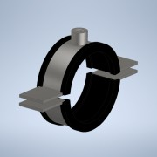 | Purchased | Pipe clamp Heavy-Duty - Ø108-114 - MP-MRI (Sound Insulated) | Steel, Galv. |  | 2 | 2 |  |  | Mechanical Components
8.13 | 0000-754-010 |  |  | 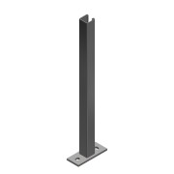 | Purchased | Cantilever Arm - MT-BR-40 OC - 600mm | Steel, Galv. |  | 2 | 2 |  |  | Modular support systems - Hilti
8.14 | 4003-05.1-BM005-01-01 | - | RO-114-026 | 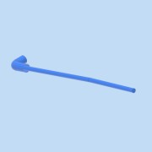 | Normal | Pipe - DN100-Ø114,3x2,6 L=1000 - EN10217-7 | SS 1.4301 - AISI 304 |  | 1 | 1 | 2,6 | 4661 | Project/Piping
9 | 4003-05.1-BM006-01 | - |  | 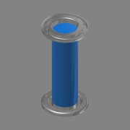 | Normal | Piping DN100 - Biomass Outlet - Link Seal Pipe |  | Area 05 | 1 | 1 |  |  | Project Piping
9.1 | 4003-05.1-BM006-01-01 | - | RO-114-026 | 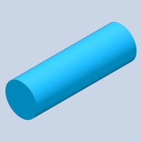 | Normal | Pipe - DN125-Ø139,7x2,6 L=446 - EN10217-7 | SS 1.4301 - AISI 304 |  | 1 | 1 | 2,6 | 446 | Project/Piping
9.2 | 0000-703-020 |  |  |  | Purchased | Pressed Flange - DN125-PN10/16 - EN 1092-1 Typ 02 | SS 1.4301 - AISI 304 |  | 2 | 2 |  |  | Standard Fittings
9.3 | 0000-703-010 |  | BÖ-139-026 |  | Purchased | Collar - DN125/PN10-EN1092-1 Typ37 | SS 1.4301 - AISI 304 |  | 2 | 2 |  |  | Standard Fittings
10 | 4003-05.1-EL002 | - |  |  | Normal | Cable Tray |  | Area 05 | 1 | 1 |  |  | Project/Piping
10.1 | 4003-05.1-EL002-01 | - |  |  | Normal | Cable Tray KS80 - W114x53 L=1035 | Steel |  | 1 | 1 | 0,0 | 1035 | Project Piping
11 | 4003-05.1-EL003 | - |  | 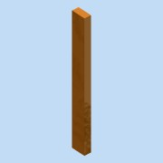 | Normal | Cable Tray |  | Area 05 | 1 | 1 |  |  | Project/Piping
11.1 | 4003-05.1-EL003-01 | - |  | 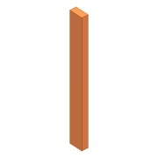 | Normal | Cable Tray KS80 - W114x53 L=1035 | Steel |  | 1 | 1 | 0,0 | 1035 | Project Piping
12 | 4003-05.1-EL004 | - |  | 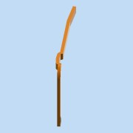 | Normal | Cable Tray |  | Area 05 | 1 | 1 |  |  | Project/Piping
12.1 | 4003-05.1-EL004-01 | - |  | 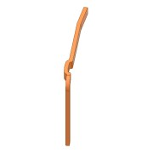 | Normal | Cable Tray KS80 - W114x53 L=2790 | Steel |  | 1 | 1 | 0,0 | 2790 | Project Piping
13 | 4003-05.1-EL005 | - |  | 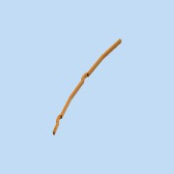 | Normal | Cable Tray |  | Area 05 | 1 | 1 |  |  | Project/Piping
13.1 | 4003-05.1-EL005-01 | - |  | 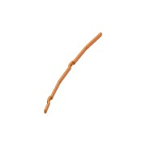 | Normal | Cable Tray KS80 - W114x53 L=3280 | Steel |  | 1 | 1 | 0,0 | 4855 | Project Piping
14 | 4003-05.1-SL001-01 | - |  | 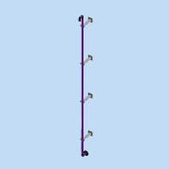 | Normal | Piping DN50 - Inlet Sulphurous Liquid |  | Area 05 | 1 | 1 |  |  | Project/Piping
14.1 | 4003-05.1-SL001-01-01 | - | SW4112061 |  | Normal | PE100 Pipe - DN-Ø63,0xSDR17 L=5002 | PE100 |  | 1 | 1 | 3,8 | 5002 | Project Piping
14.2 | 0000-710-030 | - |  | 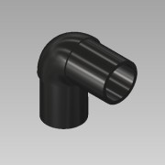 | Purchased | Elbow 90° - DN50-Ø63 - SDR11 | PE100 |  | 3 | 3 |  |  | PE-Fittings - STAR
14.3 | 0000-710-010 |  |  |  | Purchased | Stub end - DN50-Ø63 - SDR17 | PE100 |  | 1 | 1 |  |  | PE-Fittings - STAR
14.4 | 0000-710-020 |  |  |  | Purchased | Flange - DN50/Ø63 - PN10/16 - DIN EN 1092-1 | PP |  | 1 | 1 |  |  | PE-Fittings - STAR
14.5 | 0000-342-021 | - |  |  | Normal | Pipe holder foot L=200 | SS 1.4301 - AISI 304 |  | 4 | 4 | 1,0 | 1 | Basic Component
14.6 | 0000-342-024 | - |  | 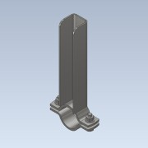 | Normal | Pipe Holder DN50-Ø60,3 | SS 1.4301 - AISI 304 |  | 4 | 4 | 1,0 | 1
15 | 4003-05.1-CS001-01 | - |  |  | Normal | Piping DN50 - Condensate |  | Area 05 | 1 | 1 |  |  | Project Piping
15.1 | 4003-05.1-CS001-01-01 | - | RO-060-020 |  | Normal | Pipe - DN-Ø60,3x2,0 L=5002 - EN10217-7 | SS 1.4571 - AISI 316Ti |  | 1 | 1 | 2,0 | 5002 | Project Piping
15.2 | 0000-703-010 |  | BÖ-060-020 |  | Purchased | Collar - DN50/PN10-EN1092-1 Typ37 | SS 1.4571 - AISI 316Ti |  | 1 | 1 |  |  | Standard Fittings
15.3 | 0000-703-020 |  |  |  | Purchased | Pressed Flange - DN50-PN10/16 - EN 1092-1 Typ 02 | SS 1.4571 - AISI 316Ti |  | 1 | 1 |  |  | Standard Fittings
15.4 | 0000-703-030 |  | BO-060-020 | 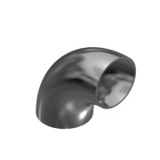 | Purchased | Elbow 90° - DN50 Ø60,3x2 - Type3-R76 - DIN2605 | SS 1.4571 - AISI 316Ti |  | 3 | 3 |  |  | Standard Fittings
15.5 | 0000-342-021 | - |  |  | Normal | Pipe holder foot L=200 | SS 1.4301 - AISI 304 |  | 4 | 4 | 1,0 | 1 | Basic Component
15.6 | 0000-342-024 | - |  |  | Normal | Pipe Holder DN50-Ø60,3 | SS 1.4301 - AISI 304 |  | 4 | 4 | 1,0 | 1
16 | 4003-05.1-CS001-02 | - |  | 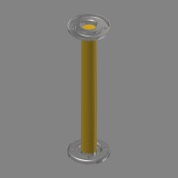 | Normal | Piping DN50 - Condensate - Link Seal Pipe |  | Area 05 | 1 | 1 |  |  | Project Piping
16.1 | 4003-05.1-CS001-02-01 | - | RO-114-026 | 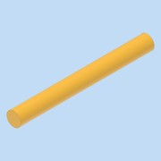 | Normal | Pipe - DN50-Ø60,3x2,0 L=568 - EN10217-7 | SS 1.4301 - AISI 304 |  | 1 | 1 | 2,0 | 568 | Project/Piping
16.2 | 0000-703-020 |  |  |  | Purchased | Pressed Flange - DN50-PN10/16 - EN 1092-1 Typ 02 | SS 1.4571 - AISI 316Ti |  | 2 | 2 |  |  | Standard Fittings
16.3 | 0000-703-010 |  | BÖ-060-020 |  | Purchased | Collar - DN50/PN10-EN1092-1 Typ37 | SS 1.4571 - AISI 316Ti |  | 2 | 2 |  |  | Standard Fittings
17 | 4003-05.1-SL001-02 | - |  | 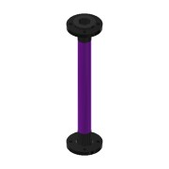 | Normal | Piping DN50 - Sulphurous Liquid - Link Seal Pipe |  | Area 05 | 1 | 1 |  |  | Project Piping
17.1 | 4003-05.1-SL001-02-01 | - | RO-114-026 | 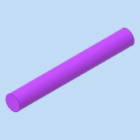 | Normal | Pipe - DN50-Ø63,0x3,8 L=508 - EN10217-7 | SS 1.4301 - AISI 304 |  | 1 | 1 | 3,8 | 508 | Project/Piping
17.2 | 0000-710-010 |  |  |  | Purchased | Stub end - DN50-Ø63 - SDR17 | PE100 |  | 2 | 2 |  |  | PE-Fittings - STAR
17.3 | 0000-710-020 |  |  |  | Purchased | Flange - DN50/Ø63 - PN10/16 - DIN EN 1092-1 | PP |  | 2 | 2 |  |  | PE-Fittings - STAR
18 | 4003-05.1-BM015-01 | - |  | 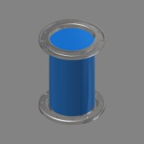 | Normal | Piping DN100 - Biomass Outlet - Link Seal Pipe |  | Area 05 | 1 | 1 |  |  | Project Piping
18.1 | 4003-05.1-BM015-01-01 | - | RO-114-026 | 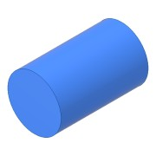 | Normal | Pipe - DN125-Ø273,0x2,6 L=446 - EN10217-7 | SS 1.4301 - AISI 304 |  | 1 | 1 | 2,6 | 446 | Project/Piping
18.2 | 0000-703-020 |  |  |  | Purchased | Pressed Flange - DN250-PN10 - EN 1092-1 Typ 02 | SS 1.4301 - AISI 304 |  | 2 | 2 |  |  | Standard Fittings
18.3 | 0000-703-010 |  | BÖ-273-040 |  | Purchased | Collar - DN250/PN10-EN1092-1 Typ37 | SS 1.4301 - AISI 304 |  | 2 | 2 |  |  | Standard Fittings
19 | 4003-05.1-BM006-02 | - |  | 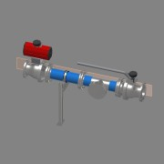 | Normal | Piping DN125 - Biomass Outlet |  | Area 05 | 1 | 1 |  |  | Project Piping
19.1 | 4003-05.1-BM006-02-01 | - | RO-139-026 | 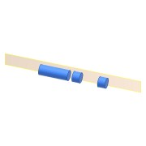 | Normal | Pipe - DN-Ø139,7x2,6 L=1355 - EN10217-7 | SS 1.4301 - AISI 304 |  | 1 | 1 | 2,6 | 590 | Project Piping
19.2 | 0000-703-022 |  | BF-125-000 | (NULL) | Purchased | Blind Flange - DN125 - PN10/16 - EN 1092-1 Typ 05 | SS 1.4571 - AISI 316Ti |  | 1 | 1 |  |  | Standard Fittings
19.3 | 0000-703-020 |  |  |  | Purchased | Pressed Flange - DN125-PN10/16 - EN 1092-1 Typ 02 | SS 1.4301 - AISI 304 |  | 5 | 5 |  |  | Standard Fittings
19.4 | 0000-703-010 |  | BÖ-139-026 |  | Purchased | Collar - DN125/PN10-EN1092-1 Typ37 | SS 1.4301 - AISI 304 |  | 5 | 5 |  |  | Standard Fittings
19.9 | 0000-703-040 |  | TR-139-030 |  | Purchased | Tee Equal - DN125 - Ø139,7x2,6 - EN10253-4 | SS 1.4301 - AISI 304 |  | 1 | 1 |  |  | Standard Fittings
19.10 | 0000-754-010 |  |  |  | Purchased | Cantilever Arm - MT-BR-40 OC - 300mm | Steel, Galv. |  | 1 | 1 |  |  | Modular support systems - Hilti
19.11 | 0000-754-030 |  |  | 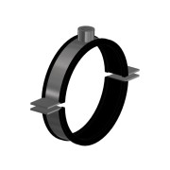 | Purchased | Pipe clamp Heavy-Duty - Ø137-142 - MP-MRI (Sound Insulated) | Steel, Galv. |  | 1 | 1 |  |  | Mechanical Components
19.12 | 0000-754-010 |  |  |  | Purchased | Cantilever Arm - MT-BR-40 OC - 600mm | Steel, Galv. |  | 1 | 1 |  |  | Modular support systems - Hilti
20 | 4003-05.1-BM015-02 | - |  | 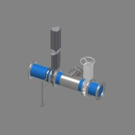 | Normal | Piping DN125 - Biomass Outlet |  | Area 05 | 1 | 1 |  |  | Project Piping
20.1 | 4003-05.1-BM015-02-01 | - | RO-273-030 | 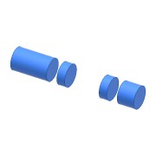 | Normal | Pipe - DN-Ø273,0x3,0 L=864 - EN10217-7 | SS 1.4301 - AISI 304 |  | 1 | 1 | 3,0 | 864 | Project Piping
20.4 | 0000-703-010 |  | BÖ-273-040 |  | Purchased | Collar - DN250/PN10-EN1092-1 Typ37 | SS 1.4301 - AISI 304 |  | 7 | 7 |  |  | Standard Fittings
20.5 | 0000-703-040 |  | TR-273-030 |  | Purchased | Tee Equal - DN250 - Ø273x3 - EN10253-4 | SS 1.4301 - AISI 304 |  | 1 | 1 |  |  | Standard Fittings
20.6 | 0000-703-020 |  |  |  | Purchased | Pressed Flange - DN250-PN10 - EN 1092-1 Typ 02 | SS 1.4301 - AISI 304 |  | 7 | 7 |  |  | Standard Fittings
20.7 | 0000-703-022 |  | BF-250-010 | (NULL) | Purchased | Blind Flange - DN250 - PN10 - EN 1092-1 Typ 05 | SS 1.4571 - AISI 316Ti |  | 1 | 1 |  |  | Standard Fittings
20.8 | 0000-754-010 |  |  |  | Purchased | Cantilever Arm - MT-BR-40 OC - 600mm | Steel, Galv. |  | 1 | 1 |  |  | Modular support systems - Hilti
20.9 | 0000-754-010 |  |  |  | Purchased | Cantilever Arm - MT-BR-40 OC - 300mm | Steel, Galv. |  | 1 | 1 |  |  | Modular support systems - Hilti
20.10 | Pipe clamp - MP-MXI-F - Sound Insulated |  | 374911 | 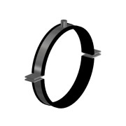 | Purchased | Pipe clamp MP-MI-F - D267-274 Heavy Duty (Sound Insulated) | SS 1.4401 - AISI 316 |  | 1 | 1 |  |  | Mechanical Components
21 | 4003-05.1-BM006-03 | - |  | 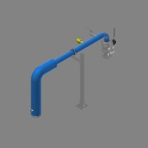 | Normal | Piping DN125 - Biomass Outlet - Pump to ground |  | Area 05 | 1 | 1 |  |  | Project Piping
21.2 | 0000-703-065 |  |  | 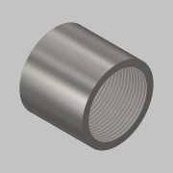 | Normal | Socket - 1½'' - PN16 - DIN EN 10241 | SS 1.4571 - AISI 316Ti | Area | 1 | 1 |  |  | Standard Fittings
21.3 | 0000-703-010 |  | BÖ-114-026 |  | Purchased | Collar - DN100/PN10-EN1092-1 Typ37 | SS 1.4301 - AISI 304 |  | 2 | 2 |  |  | Standard Fittings
21.4 | 0000-703-020 |  |  |  | Purchased | Pressed Flange - DN100-PN10/16 - EN 1092-1 Typ 02 | SS 1.4301 - AISI 304 |  | 2 | 2 |  |  | Standard Fittings
21.5 | 0000-703-060 |  | AN-112-150 |  | Purchased | Welding Nipple - 1 ½'' DN40xL150 - EN10241 | SS 1.4571 - AISI 316Ti |  | 1 | 1 |  |  | Standard Fittings
21.6 | 0000-321-015 | - |  |  | Normal | SC-MPTK-80 - DN100_PN10 - BM | SS 1.4301 - AISI 304 |  | 1 | 1 |  |  | Basic Component
21.7 | 0000-703-030 |  | BO-114-026 |  | Purchased | Elbow 90° - DN100 Ø114,3x2,6 - Type3-R152 - DIN2605 | SS 1.4301 - AISI 304 |  | 2 | 2 |  |  | Standard Fittings
21.10 | 0000-754-010 |  |  |  | Purchased | Cantilever Arm - MT-BR-40 OC - 300mm | Steel, Galv. |  | 1 | 1 |  |  | Modular support systems - Hilti
21.11 | 0000-754-002 |  |  |  | Purchased | Double Strut channel MT-40 S OC | Steel, Galv. |  | 1 | 1 |  |  | Modular support systems - Hilti
21.12 | 0000-754-012 |  |  |  | Purchased | Base Plate - MT-B-O4 OC | Steel, Galv. |  | 1 | 1 |  |  | Modular support systems - Hilti
21.13 | 0000-754-030 |  |  |  | Purchased | Pipe clamp Heavy-Duty - Ø108-114 - MP-MRI (Sound Insulated) | Steel, Galv. |  | 1 | 1 |  |  | Mechanical Components
21.14 | 4003-05.1-BM006-03-01 | - | RO-114-026 |  | Normal | Pipe - DN-Ø114,3x2,6 L=1179 - EN10217-7 | SS 1.4301 - AISI 304 |  | 1 | 1 | 2,6 | 3100 | Project/Piping
21.16 | 0000-703-060 |  | AN-112-100 |  | Purchased | Welding Nipple - 1 ½'' DN40xL100 - EN10241 | SS 1.4571 - AISI 316Ti |  | 1 | 1 |  |  | Standard Fittings
22 | 4003-05.1-BG005-01 | - |  |  | Normal | Piping DN350 - Main Gas Pipe |  | Area 05 | 1 | 1 |  |  | Project Piping
22.1 | 0000-703-010 |  | BÖ-355-030 |  | Purchased | Collar - DN350/PN10-EN1092-1 Typ37 | SS 1.4571 - AISI 316Ti |  | 2 | 2 |  |  | Standard Fittings
22.2 | 0000-703-020 |  |  |  | Purchased | Pressed Flange - DN350-PN10 - EN 1092-1 Typ 02 | SS 1.4571 - AISI 316Ti |  | 2 | 2 |  |  | Standard Fittings
22.3 | 0000-703-010 |  | BÖ-168-020 |  | Purchased | Collar - DN150/PN10-EN1092-1 Typ37 | SS 1.4571 - AISI 316Ti |  | 1 | 1 |  |  | Standard Fittings
22.4 | 0000-703-020 |  |  |  | Purchased | Pressed Flange - DN150-PN10/16 - EN 1092-1 Typ 02 | SS 1.4301 - AISI 304 |  | 1 | 1 |  |  | Standard Fittings
22.5 | 0000-703-045 |  |  | (NULL) | Purchased | Tee, Welded Branch - DN350-Ø355,6 - EN10253-3 | SS 1.4571 - AISI 316Ti |  | 1 | 1 |  |  | Standard Fittings
22.6 | 0000-703-052 |  |  |  | Purchased | Reducer - DN350-DN200 - EN 10253-3 | SS 1.4571 - AISI 316Ti |  | 1 | 1 |  |  | Standard Fittings
22.7 | 0000-703-030 |  | BO-219-020 |  | Purchased | Elbow 90° - DN200 Ø219,1x2 - Type3-R305 - DIN2605 | SS 1.4571 - AISI 316Ti |  | 1 | 1 |  |  | Standard Fittings
22.8 | 0000-703-052 |  |  |  | Purchased | Reducer - DN200-DN150 - EN 10253-3 | SS 1.4571 - AISI 316Ti |  | 1 | 1 |  |  | Standard Fittings
24 | 4003-05-PS13 | - |  |  | Normal | Piping DN125 - Biomass Outlet |  |  | 1 | 1
24.1 | 4003-05-PS13 | - | RO-139-026 |  | Normal | Pipe - DN125-Ø273,0x2,6 L=690 - EN10217-7 | SS 1.4301 - AISI 304 |  | 1 | 1 | 2,6 | 690 | Project Specific Parts
24.2 | 0000-703-020 |  |  |  | Purchased | Pressed Flange - DN250-PN10 - EN 1092-1 Typ 02 | SS 1.4301 - AISI 304 |  | 1 | 1 |  |  | Standard Fittings
24.3 | 0000-703-010 |  | BÖ-273-030 |  | Purchased | Collar - DN250/PN10-EN1092-1 Typ37 | SS 1.4571 - AISI 316Ti |  | 1 | 1 |  |  | Standard Fittings
24.4 | 0000-703-030 |  | 45-273-030 |  | Purchased | Elbow 45° - DN250 Ø273x3 - Type3-R381 - DIN2605 | SS 1.4571 - AISI 316Ti |  | 1 | 1 |  |  | Standard Fittings
25 | 4003-05.2-BM005-03-02 | - |  |  | Normal | Connection Pipe Through Wall |  | Area | 2 | 2 |  |  | Project/Piping
25.1 | 0000-703-010 |  | BÖ-114-026 |  | Purchased | Collar - DN100/PN10-EN1092-1 Typ37 | SS 1.4301 - AISI 304 |  | 2 | 4 |  |  | Standard Fittings
25.2 | 0000-703-020 |  |  |  | Purchased | Pressed Flange - DN100-PN10/16 - EN 1092-1 Typ 02 | SS 1.4301 - AISI 304 |  | 2 | 4 |  |  | Standard Fittings
25.3 | 4003-05.2-BM005-03-01 | - | RO-114-026 |  | Normal | Pipe - DN-Ø114,3x2,6 L=400 - EN10217-7 | SS 1.4301 - AISI 304 |  | 1 | 2 | 2,6 | 400 | Project/Piping
26 | 4003-05.1-BM18-01 | - |  |  | Normal | Biomass In BM018 |  | Area | 1 | 1 |  |  | Project Piping
26.1 | 4003-05.1-BM018-01-01 | - | RO-114-026 |  | Normal | Pipe - DN-Ø114,3x2,6 L=4820 - EN10217-7 | SS 1.4301 - AISI 304 |  | 1 | 1 | 2,6 | 4820 | Project/Piping
26.2 | 0000-703-010 |  | BÖ-114-026 |  | Purchased | Collar - DN100/PN10-EN1092-1 Typ37 | SS 1.4301 - AISI 304 |  | 7 | 7 |  |  | Standard Fittings
26.3 | 0000-703-020 |  |  |  | Purchased | Pressed Flange - DN100-PN10/16 - EN 1092-1 Typ 02 | SS 1.4301 - AISI 304 |  | 7 | 7 |  |  | Standard Fittings
26.5 | 0000-703-022 |  | BF-100-000 |  | Purchased | Blind Flange - DN100 - PN10/16 - EN 1092-1 Typ 05 | SS 1.4571 - AISI 316Ti |  | 1 | 1 |  |  | Standard Fittings
26.6 | 0000-703-040 |  | TR-114-026 |  | Purchased | Tee Equal - DN100 - Ø114,3x2,6 - EN10253-4 | SS 1.4301 - AISI 304 |  | 1 | 1 |  |  | Standard Fittings
26.7 | 0000-754-010 |  |  |  | Purchased | Cantilever Arm - MT-BR-40 OC - 300mm | Steel, Galv. |  | 2 | 2 |  |  | Modular support systems - Hilti
26.8 | 0000-754-030 |  |  |  | Purchased | Pipe clamp Heavy-Duty - Ø108-114 - MP-MRI (Sound Insulated) | Steel, Galv. |  | 2 | 2 |  |  | Mechanical Components
26.9 | 0000-754-010 |  |  |  | Purchased | Cantilever Arm - MT-BR-40 OC - 600mm | Steel, Galv. |  | 2 | 2 |  |  | Modular support systems - Hilti
26.12 | 0000-703-060 |  | AN-112-150 |  | Purchased | Welding Nipple - 1 ½'' DN40xL150 - EN10241 | SS 1.4571 - AISI 316Ti |  | 1 | 1 |  |  | Standard Fittings
26.13 | 0000-703-030 |  | BO-114-026 |  | Purchased | Elbow 90° - DN100 Ø114,3x2,6 - Type3-R152 - DIN2605 | SS 1.4301 - AISI 304 |  | 1 | 1 |  |  | Standard Fittings
27 | 4003-05.1-BM015-03 | - |  |  | Normal | Piping DN125 - Biomass Outlet - Pump to ground |  | Area 05 | 1 | 1 |  |  | Project Piping
27.2 | 0000-703-065 |  |  |  | Normal | Socket - 1½'' - PN16 - DIN EN 10241 | SS 1.4571 - AISI 316Ti | Area | 1 | 1 |  |  | Standard Fittings
27.3 | 0000-703-060 |  | AN-112-150 |  | Purchased | Welding Nipple - 1 ½'' DN40xL150 - EN10241 | SS 1.4571 - AISI 316Ti |  | 1 | 1 |  |  | Standard Fittings
27.6 | 0000-703-030 |  | BO-168-026 |  | Purchased | Elbow 90° - DN150 Ø168,3x2,6 - Type3-R229 - DIN2605 | SS 1.4301 - AISI 304 |  | 3 | 3 |  |  | Standard Fittings
27.7 | 0000-703-020 |  |  |  | Purchased | Pressed Flange - DN150-PN10/16 - EN 1092-1 Typ 02 | SS 1.4301 - AISI 304 |  | 1 | 1 |  |  | Standard Fittings
27.8 | 0000-703-010 |  | BÖ-168-026 |  | Purchased | Collar - DN150/PN10-EN1092-1 Typ37 | SS 1.4301 - AISI 304 |  | 1 | 1 |  |  | Standard Fittings
27.9 | 0000-703-010 |  | BÖ-273-040 |  | Purchased | Collar - DN250/PN10-EN1092-1 Typ37 | SS 1.4301 - AISI 304 |  | 1 | 1 |  |  | Standard Fittings
27.10 | 0000-703-020 |  |  |  | Purchased | Pressed Flange - DN250-PN10 - EN 1092-1 Typ 02 | SS 1.4301 - AISI 304 |  | 1 | 1 |  |  | Standard Fittings
27.11 | 0000-703-052 |  |  |  | Purchased | Reducer - DN250-DN150 - EN 10253-3 | SS 1.4571 - AISI 316Ti |  | 1 | 1 |  |  | Standard Fittings
27.12 | 0000-321-159 | - |  |  | Normal | Straight Connection W. 2'' clean - DN200_PN10 L=200 |  | Biomass Connection | 1 | 1
27.13 | 0000-754-002 |  |  |  | Purchased | Double Strut channel MT-40 S OC | Steel, Galv. |  | 1 | 1 |  |  | Modular support systems - Hilti
27.14 | 0000-754-010 |  |  |  | Purchased | Cantilever Arm - MT-BR-40 OC - 300mm | Steel, Galv. |  | 1 | 1 |  |  | Modular support systems - Hilti
27.15 | 0000-754-012 |  |  |  | Purchased | Base Plate - MT-B-O4 OC | Steel, Galv. |  | 1 | 1 |  |  | Modular support systems - Hilti
27.16 | 0000-754-030 |  |  |  | Purchased | Pipe clamp Heavy-Duty - Ø162-168 - MP-MRI (Sound Insulated) | Steel, Galv. |  | 1 | 1 |  |  | Mechanical Components
27.17 | 4003-05.1-BM015-03-01 | - | RO-168-026 |  | Normal | Pipe - DN-Ø168,3x2,6 L=1296 - EN10217-7 | SS 1.4301 - AISI 304 |  | 1 | 1 | 2,6 | 5711 | Project/Piping
27.19 | 0000-703-060 |  | AN-112-100 |  | Purchased | Welding Nipple - 1 ½'' DN40xL100 - EN10241 | SS 1.4571 - AISI 316Ti |  | 1 | 1 |  |  | Standard Fittings

